Overview
 | 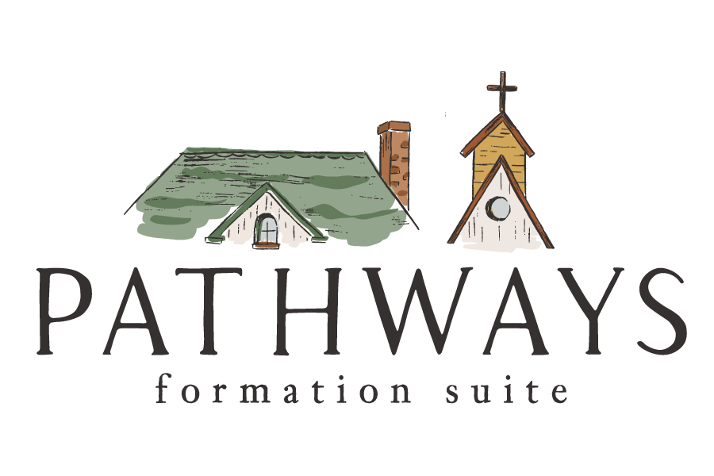
Welcome to the Pathways Master Planner.
It is our hope that this tool will help you outline and sequence your programs.
Each resource has its own sheet that includes all the components for that resource.
Additional information for each resource can be found in the relevant Leader Guide.
The sheets toward the end of the file include sample calendars with sequences for how the suite was designed.
Adapt the sheets and info as needed for your circumstances.

Build
 | 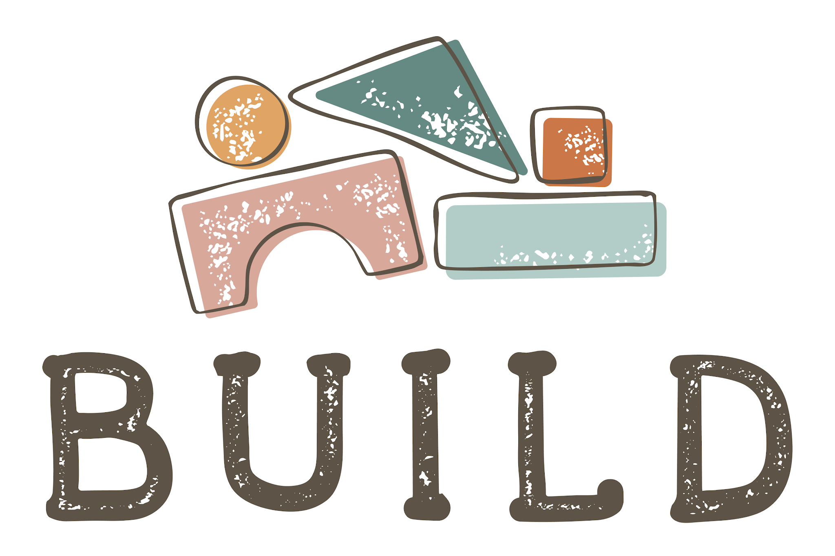
 | Focus | Content Type | Content Found In | Place | Duration | Date/Due | Team Lead | Supplies Needed
Notes | Age Group

 | Build
 | Early Childhood (3-5) | After Mass Pop-Up | Build At-Church Content | At-Church | 0.25
 | Parents | Session 1 | Build At-Church Content | At-Church | 1
 |  | Parent Guide | Build Bag | At-Home | 0.25
 |  | Experience 1 | Build Bag | At-Home | 0.5
 |  | Session 2 | Build At-Church Content | At-Church | 1
 |  | Experience 2 | Build Bag | At-Home | 0.5
 |  | Session 3 | Build At-Church Content | At-Church | 1
 |  | Experience 3 | Build Bag | At-Home | 0.5
 |  | Session 4 | Build At-Church Content | At-Church | 1
 |  | Experience 4 | Build Bag | At-Home | 0.5
 |  | Session 5 | Build At-Church Content | At-Church | 1
 |  | Experience 5 | Build Bag | At-Home | 0.5
 |  | Session 6 | Build At-Church Content | At-Church | 1
 |  | Experience 6 | Build Bag | At-Home | 0.5
 |  | Session 7 | Build At-Church Content | At-Church | 1
 |  | Experience 7 | Build Bag | At-Home | 0.5
 |  | Session 8 | Build At-Church Content | At-Church | 1
 |  | Experience 8 | Build Bag | At-Home | 0.5
 |  | Session 9 | Build At-Church Content | At-Church | 1
 |  | Experience 9 | Build Bag | At-Home | 0.5
 |  | Session 10 | Build At-Church Content | At-Church | 1
 |  | Experience 10 | Build Bag | At-Home | 0.5
 |  | Session 11 | Build At-Church Content | At-Church | 1
 |  | Experience 11 | Build Bag | At-Home | 0.5
 |  | Session 12 | Build At-Church Content | At-Church | 1
 |  | Experience 12 | Build Bag | At-Home | 0.5

Seek
 |  |  |  | Seek for
 | Focus | Content Type | Content Found In | Place | Duration | Date | Team Lead | Location | Supplies Needed
Notes | Age Group | The Sessions are listed individually below for planning purposes, but are designed to be run concurrently. ie. Parents and Middle Childhood or Parents and Adolescence |  |  | In Hours

 | Seek for Adults
 | Parents | Session 1 | Seek for Adult Content | At-Church | 1.5
 |  | Session 2 | Seek for Adult Content | At-Church | 1.5
 |  | Session 3 | Seek for Adult Content | At-Church | 1.5
 |  | Session 4 | Seek for Adult Content | At-Church | 1.5

 | Seek for Parents
 | Parents | Session 1 | Seek for Parents Content | At-Church | 1.5
 |  | Session 2 | Seek for Parents Content | At-Church | 1.5
 |  | Session 3 | Seek for Parents Content | At-Church | 1.5
 |  | Session 4 | Seek for Parents Content | At-Church | 1.5

 | Seek for Middle Childhood
 | Middle Childhood (6-10) | Session 1 | Seek for Middle Childhood Content | At-Church | 1.5
 |  | Session 2 | Seek for Middle Childhood Content | At-Church | 1.5
 |  | Session 3 | Seek for Middle Childhood Content | At-Church | 1.5
 |  | Session 4 | Seek for Middle Childhood Content | At-Church | 1.5

 | Seek for Adolescence
 | Adolescence (14-18) | Session 1 | Seek for Adolescence Content | At-Church | 1.5
 |  | Session 2 | Seek for Adolescence Content | At-Church | 1.5
 |  | Session 3 | Seek for Adolescence Content | At-Church | 1.5
 |  | Session 4 | Seek for Adolescence Content | At-Church | 1.5

Root
 | 
 | Focus | Content Type | Content Found In | Location | Duration | Date/Due | Team Lead | Facility | Supplies Needed
Notes | Age Group |  |  |  | In Hours

 | Root for Adults
 | Adults | Time Is Holy | Root At-Church Content | At-Church | 1.5
 |  | Mini-Series 1 | Root Book | At-Home | 1.5
 |  | Session 1 | Root At-Church Content | At-Church | 1.5
 |  | Mini-Series 2 | Root Book | At-Home | 1.5
 |  | Session 2 | Root At-Church Content | At-Church | 1.5
 |  | Mini-Series 3 | Root Book | At-Home | 1.5
 |  | Session 3 | Root At-Church Content | At-Church | 1.5
 |  | Mini-Series 4 | Root Book | At-Home | 1.5
 |  | Session 4 | Root At-Church Content | At-Church | 1.5
 |  | Mini-Series 5 | Root Book | At-Home | 1.5
 |  | Session 5 | Root At-Church Content | At-Church | 1.5
 |  | Mini-Series 6 | Root Book | At-Home | 1.5
 |  | Session 6 | Root At-Church Content | At-Church | 1.5

 | Root for Whole Family
 | Middle Childhood (6-10) | Time Is Holy | Root At-Church Content | At-Church | 1.5
 | Pre-Adolescence (11-13) | Mini-Series 1 | Root Book | At-Home | 1.5
 | Adolescence (14-18) | Parent Guide | Root Box | At-Home | 0.5
 | Parents | Session 1 | Root At-Church Content | At-Church | 1.5
 |  | Family Meeting 1 | Root Box | At-Home | 0.5
 |  | Mini-Series 2 | Root Book | At-Home | 1.5
 |  | Session 2 | Root At-Church Content | At-Church | 1.5
 |  | Family Meeting 2 | Root Box | At-Home | 0.5
 |  | Mini-Series 3 | Root Book | At-Home | 1.5
 |  | Session 3 | Root At-Church Content | At-Church | 1.5
 |  | Family Meeting 3 | Root Box | At-Home | 0.5
 |  | Mini-Series 4 | Root Book | At-Home | 1.5
 |  | Session 4 | Root At-Church Content | At-Church | 1.5
 |  | Family Meeting 4 | Root Box | At-Home | 0.5
 |  | Mini-Series 5 | Root Book | At-Home | 1.5
 |  | Session 5 | Root At-Church Content | At-Church | 1.5
 |  | Family Meeting 5 | Root Box | At-Home | 0.5
 |  | Mini-Series 6 | Root Book | At-Home | 1.5
 |  | Session 6 | Root At-Church Content | At-Church | 1.5
 |  | Family Meeting 6 | Root Box | At-Home | 0.5

 | Root for Parents and Adolescence Only
 | Adolescence (14-18) | Intro Session | Root At-Church Content | At-Church | 1.5
 | Parents | Mini-Series 1 | Root Book | At-Home | 1.5
 |  | Session 1 | Root At-Church Content | At-Church | 1.5
 |  | Mini-Series 2 | Root Book | At-Home | 1.5
 |  | Session 2 | Root At-Church Content | At-Church | 1.5
 |  | Mini-Series 3 | Root Book | At-Home | 1.5
 |  | Session 3 | Root At-Church Content | At-Church | 1.5
 |  | Mini-Series 4 | Root Book | At-Home | 1.5
 |  | Session 4 | Root At-Church Content | At-Church | 1.5
 |  | Mini-Series 5 | Root Book | At-Home | 1.5
 |  | Session 5 | Root At-Church Content | At-Church | 1.5
 |  | Mini-Series 6 | Root Book | At-Home | 1.5
 |  | Session 6 | Root At-Church Content | At-Church | 1.5

Claim
 | 
 | Focus | Content Type | Content Found In | Location | Duration | Date/Due | Team Lead | Supplies Needed
Notes | Age Group |  |  |  | In Hours

 | Claim
 | Early Childhood (0-5) | Parent/Family Meeting 1 | Claim Box | At-Home | 0.5
 | Middle Childhood (6-10) | Parent/Family Meeting 2 | Claim Box | At-Home | 0.5
 | Parents | Session 1 | Claim At-Church Content | At-Church | 1.5
 | Godparents | Godparent Meeting | Claim Box | At-Home | 0.5
 |  | Parent/Family Meeting 3 | Claim Box | At-Home | 0.5
 |  | Parent/Family Meeting 4 | Claim Box | At-Home | 0.5
 |  | Session 2 | Claim At-Church Content | At-Church | 1.5
 |  | Parent/Family Meeting 5 | Claim Box | At-Home | 0.5

Mend
 | 
 | Focus | Content Type | Content Found In | Place | Duration | Date/Due | Location | Team Lead | Supplies Needed
Notes | Age Group |  |  |  | In Hours

 | Mend
 | Middle Childhood (6-10) | Celebrate | Mend At-Church Content | At-Church | 1.5
 | Parents | Parent Guide | Mend Box | At-Home | 0.5
 |  | Parent Meeting | Mend Box | At-Home | 0.5
 |  | Family Meeting 1 | Mend Box | At-Home | 0.5
 |  | Family Meeting 2 | Mend Box | At-Home | 0.5
 |  | Session 1 | Mend At-Church Content | At-Church | 1.5
 |  | Family Meeting 3 | Mend Box | At-Home | 0.5
 |  | Family Meeting 4 | Mend Box | At-Home | 0.5
 |  | Family Meeting 5 | Mend Box | At-Home | 0.5
 |  | Family Meeting 6 | Mend Box | At-Home | 0.5
 |  | Session 2 | Mend At-Church Content | At-Church | 1.5
 |  | Family Meeting 7 | Mend Box | At-Home | 0.5

 |  | Mini-Retreat (can be used anytime) | Mend At-Church Content | At-Church | 3

Nourish
 | 
 | Focus | Content Type | Content Found In | Place | Duration | Date/Due | Location | Team Lead | Supplies Needed
Notes | Age Group |  |  |  | In Hours

 | Nourish
 | Middle Childhood (6-10) | Session 1 | Nourish At-Church Content | At-Church | 1.5
 | Parents | Parent Guide | Nourish Box | At-Home | 0.5
 |  | Family Meeting 1 | Nourish Box | At-Home | 0.5
 |  | Family Meeting 2 | Nourish Box | At-Home | 0.5
 |  | Session 2 | Nourish At-Church Content | At-Church | 1.5
 |  | Family Meeting 3 | Nourish Box | At-Home | 0.5
 |  | Family Meeting 4 | Nourish Box | At-Home | 0.5
 |  | Family Meeting 5 | Nourish Box | At-Home | 0.5
 |  | Session 3 | Nourish At-Church Content | At-Church | 1.5
 |  | Family Meeting 6 | Nourish Box | At-Home | 0.5
 |  | Family Meeting 7 | Nourish Box | At-Home | 0.5
 |  | Family Meeting 8 | Nourish Box | At-Home | 0.5
 |  | Family Meeting 9 | Nourish Box | At-Home | 0.5
 |  | Family Meeting 10 | Nourish Box | At-Home | 0.5

 |  | Mini-Retreat (can be used anytime) | Nourish At-Church Content | At-Church | 3

Zeal
 | 
 | Focus | Content Type | Content Found In | Place | Duration | Date/Due | Location | Team Lead | Supplies Needed
Notes | Age Group

 | Zeal
 | Middle Childhood (6-10) | Time is Holy (if beginning Family Meetings) | Zeal At-Church Content | At-Church | 1.5
 | Pre-Adolescence (11-13) | Parent Guide | Zeal Box | At-Home | 0.5
 | Parents | Family Meeting 1 | Zeal Box | At-Home | 0.5
 |  | Family Meeting 2 | Zeal Box | At-Home | 0.5
 |  | Session 1 | Zeal At-Church Content | At-Church | 1.5
 |  | Family Meeting 3 | Zeal Box | At-Home | 0.5
 |  | Sponsor Meeting | Zeal Box | At-Home | 0.5
 |  | Family Meeting 4 | Zeal Box | At-Home | 0.5
 |  | Session 2 | Zeal At-Church Content | At-Church | 1.5
 |  | Family Meeting 5 | Zeal Box | At-Home | 0.5
 |  | Family Meeting 6 | Zeal Box | At-Home | 0.5
 |  | Family Meeting 7 | Zeal Box | At-Home | 0.5

 |  | Mini-Retreat (can be used anytime) | Zeal At-Church Content | At-Church | 3

Endure
 | 
 | Focus | Content Type | Content Found In | Place | Duration | Date/Due | Team Lead | Supplies Needed
Notes | Age Group

 | Endure
 | Married Couples | Session 1 | Endure Content | At-Church | 2
 |  | Session 2 | Endure Content | At-Church | 2
 |  | Session 3 | Endure Content | At-Church | 2
 |  | Session 4 | Endure Content | At-Church | 2
 |  | Session 5 | Endure Content | At-Church | 2
 |  | Mini-Retreat | Endure Content | At-Church | 5

Quest
 | 
 | Focus | Content Type | Content Found In | Place | Duration | Date/Due | Team Lead | Supplies Needed
Notes | Age Group

 | Quest
 | Middle Childhood (6-10) | Blend (if beginning Ongoing Formation) | Quest At-Church Content | At-Church | 1
 | Pre-Adolescence (11-13) | Parent Guide | Quest Box | At-Home | 0.5
 | Parents | Family Meeting 1 | Quest Box | At-Home | 0.5
 |  | Family Meeting 2 | Quest Box | At-Home | 0.5
 |  | Family Meeting 3 | Quest Box | At-Home | 0.5
 |  | Family Meeting 4 | Quest Box | At-Home | 0.5
 |  | Family Meeting 5 | Quest Box | At-Home | 0.5
 |  | Session 1 | Quest At-Church Content | At-Church | 1
 |  | Family Meeting 6 | Quest Box | At-Home | 0.5
 |  | Family Meeting 7 | Quest Box | At-Home | 0.5
 |  | Family Meeting 8 | Quest Box | At-Home | 0.5
 |  | Family Meeting 9 | Quest Box | At-Home | 0.5
 |  | Session 2 | Quest At-Church Content | At-Church | 1

Mercy
 | 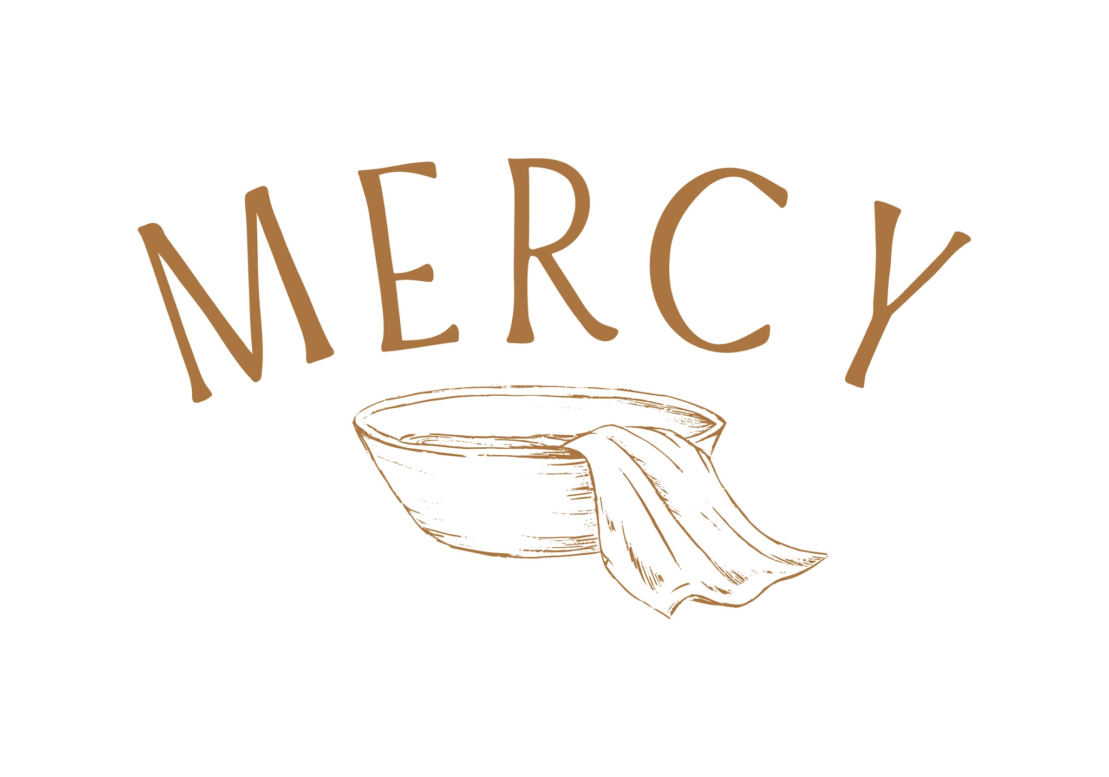
 | Focus | Content Type | Content Found In | Place | Duration | Date/Due | Team Lead | Supplies Needed
Notes | Age Group

 | Mercy
 | Middle Childhood (6-10) | Blend (if beginning Ongoing Formation) | Mercy At-Church Content | At-Church | 1
 | Pre-Adolescence (11-13) | Parent Guide | Mercy Box | At-Home | 0.5
 | Parents | Family Meeting 1 | Mercy Box | At-Home | 0.5
 |  | Family Meeting 2 | Mercy Box | At-Home | 0.5
 |  | Family Meeting 3 | Mercy Box | At-Home | 0.5
 |  | Family Meeting 4 | Mercy Box | At-Home | 0.5
 |  | Session 1 | Mercy At-Church Content | At-Church | 1
 |  | Family Meeting 5 | Mercy Box | At-Home | 0.5
 |  | Family Meeting 6 | Mercy Box | At-Home | 0.5
 |  | Family Meeting 7 | Mercy Box | At-Home | 0.5
 |  | Family Meeting 8 | Mercy Box | At-Home | 0.5
 |  | Session 2 | Mercy At-Church Content | At-Church | 1
 |  | Family Meeting 9 | Mercy Box | At-Home | 0.5
 |  | Family Meeting 10 | Mercy Box | At-Home | 0.5
 |  | Family Meeting 11 | Mercy Box | At-Home | 0.5
 |  | Session 3 | Mercy At-Church Content | At-Church | 1
 |  | Family Meeting 12 | Mercy Box | At-Home | 0.5
 |  | Family Meeting 13 | Mercy Box | At-Home | 0.5
 |  | Family Meeting 14 | Mercy Box | At-Home | 0.5
 |  | Family Meeting 15 | Mercy Box | At-Home | 0.5
 |  | Session 4 | Mercy At-Church Content | At-Church | 1

Made
 | 
 | Focus | Content Type | Content Found In | Place | Duration | Date/Due | Team Lead | Supplies Needed
Notes | Age Group

 | Made
 | Middle Childhood (6-10) | Blend (if beginning Ongoing Formation) | Made At-Church Content | At-Church | 1
 | Pre-Adolescence (11-13) | Parent Guide | Made Box | At-Home | 0.5
 | Parents | Parent Meeting | Made Box | At-Home | 0.5
 |  | Family Meeting 1 | Made Box | At-Home | 0.5
 |  | Family Meeting 2 | Made Box | At-Home | 0.5
 |  | Family Meeting 3 | Made Box | At-Home | 0.5
 |  | Session 1 | Made At-Church Content | At-Church | 1
 |  | Family Meeting 4 | Made Box | At-Home | 0.5
 |  | Family Meeting 5 | Made Box | At-Home | 0.5
 |  | Family Meeting 6 | Made Box | At-Home | 0.5
 |  | Family Meeting 7 | Made Box | At-Home | 0.5
 |  | Session 2 | Made At-Church Content | At-Church | 1
 |  | Family Meeting 8 | Made Box | At-Home | 0.5
 |  | Family Meeting 9 | Made Box | At-Home | 0.5
 |  | Family Meeting 10 | Made Box | At-Home | 0.5

Sent
 | 
 | Focus | Content Type | Content Found In | Place | Duration | Date/Due | Team Lead | Supplies Needed
Notes | Age Group

 | Sent
 | Middle Childhood (6-10) | Blend (if beginning Ongoing Formation) | Sent At-Church Content | At-Church | 1
 | Pre-Adolescence (11-13) | Parent Guide | Sent Box | At-Home | 0.5
 | Parents | Family Meeting 1 | Sent Box | At-Home | 0.5
 |  | Family Meeting 2 | Sent Box | At-Home | 0.5
 |  | Family Meeting 3 | Sent Box | At-Home | 0.5
 |  | Family Meeting 4 | Sent Box | At-Home | 0.5
 |  | Session 1 | Sent At-Church Content | At-Church | 1
 |  | Family Meeting 5 | Sent Box | At-Home | 0.5
 |  | Family Meeting 6 | Sent Box | At-Home | 0.5
 |  | Family Meeting 7 | Sent Box | At-Home | 0.5
 |  | Family Meeting 8 | Sent Box | At-Home | 0.5
 |  | Session 2 | Sent At-Church Content | At-Church | 1
 |  | Family Meeting 9 | Sent Box | At-Home | 0.5
 |  | Family Meeting 10 | Sent Box | At-Home | 0.5
 |  | Family Meeting 11 | Sent Box | At-Home | 0.5
 |  | Family Meeting 12 | Sent Box | At-Home | 0.5
 |  | Session 3 | Sent At-Church Content | At-Church | 1
 |  | Family Meeting 13 | Sent Box | At-Home | 0.5
 |  | Family Meeting 14 | Sent Box | At-Home | 0.5
 |  | Family Meeting 15 | Sent Box | At-Home | 0.5
 |  | Family Meeting 16 | Sent Box | At-Home | 0.5
 |  | Session 4 | Sent At-Church Content | At-Church | 1

Devotion
 | 
 | Focus | Content Type | Content Found In | Place | Duration | Date/Due | Team Lead | Supplies Needed
Notes | Age Group

 | Devotion
 | Middle Childhood (6-10) | Intro Add-On | Devotion At-Church Content | At-Church | 0.25
 | Pre-Adolescence (11-13) | January Session | Devotion At-Church Content | At-Church | 1-1.5
 | Parents | February Session | Devotion At-Church Content | At-Church | 1-1.5
 |  | March Session | Devotion At-Church Content | At-Church | 1-1.5
 |  | April Session | Devotion At-Church Content | At-Church | 1-1.5
 |  | May Session | Devotion At-Church Content | At-Church | 1-1.5
 |  | June Session | Devotion At-Church Content | At-Church | 1-1.5
 |  | July Session | Devotion At-Church Content | At-Church | 1-1.5
 |  | August Session | Devotion At-Church Content | At-Church | 1-1.5
 |  | September Session | Devotion At-Church Content | At-Church | 1-1.5
 |  | October Session | Devotion At-Church Content | At-Church | 1-1.5
 |  | November Session | Devotion At-Church Content | At-Church | 1-1.5
 |  | Decemeber Session | Devotion At-Church Content | At-Church | 1-1.5

